OFFER
Hugo Boss Boxer

PHOTOS | MODEL | COLOR | Model | composition | M | L | XL | XXL | TOT Q.TY | RRP €
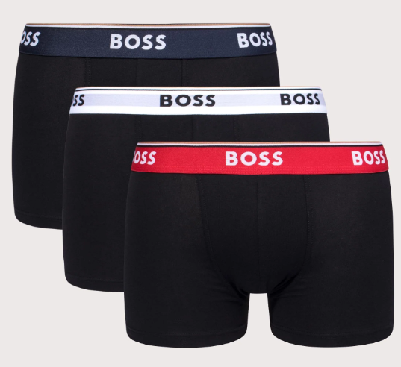 | 50483640 | 973 | Trunk 3 Pack Power | 95% cotton, 5% elastane | 765 | 1,524 | 1,526 | 765 | 4,580 | 50.00 €
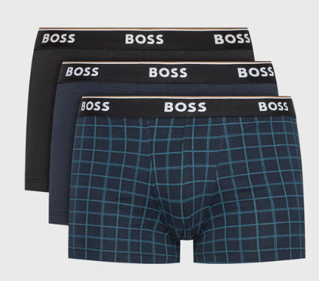 | 50483639 | 974 | Trunk 3 Pack Power Design | 95% cotton, 5% elastane | 133 | 260 | 261 | 133 | 787 | 50.00 €
 |  |  |  |  |  |  |  |  | 5,367

